1. Title Page
Instacart Grocery Basket Analysis]

Project Name: Instacart Grocery Basket Analysis
Date: 30.07.2025
Analyst Name: Veronika Steininger

Contents:
Population Flow
Consistency checks
Wrangling steps
Column derivations
Visualizations
Recommendations

Data citation: “The Instacart Online Grocery Shopping Dataset 2017”, Accessed from www.instacart.com/datasets/grocery-shopping-2017 via Kaggle in July 2025. The 'customer data' as well as the 'prices' column in the products data set, were both fabricated for the purpose of this course.

2. Population Flow
Title page

Population flow

Note: due to REM Issues I used for the last merge of
orders_products_merged and customer a 30/70 sample of orders_products_merged.

Orders_products_combined
Orders_products_merged
Orders_products_all

Total: 32404859
Total: 32434489
Total: 9729959

1.) The grey boxes in the first row of the population flow represent the original data sets as they were when you downloaded them. In the Total fields you need to add the count of the rows when you imported the data set into Jupyter.
2.) The second row of boxes (coloured) represents the data sets after you manipulated them, e.g., removed missing values and duplicates. In the Total fields you need to add the count of the rows after conducting these operations. This offers a visual oveview of how the data flows throughout the data consistency checks.
3.) The third row, where also the arrows are coloured, represents the merges you performed between the datasets. In the Total fields you need to add the count of the rows in the merged datasets, so that you end up with the final dataset (in the red box). Keep in mind the final dataset should be without exclusions (based on the exclusion flag).

3. Consistency checks
 |  |  |  | Title page
Consistency checks

Dataset | Missing values | Missing values treatment | Duplicates
orders | NaN in 'last order (in days) follows logic: first order of each user_id (see 3.1.crosstab) | NaN replaced with 0 | no dublicates found
products | 16 records in 'product_name' | dropped | 5 dublicates found - dropped
orders_products_prior | none
customers | none

4. Wrangling steps
 |  |  |  | Title page
Wrangling steps

Columns dropped | Columns renamed | Columns' type changed | Comment/Reason
eval_set |  |  | unnecessary information
Unnamed: 0 |  |  | unnecessary information
 | order_dow = orders_day_of_week |  | more intuitive title
 | days since prior order' into 'last order (in days)' |  | more consitent title
 |  | order_id from int64 to string | no value for discriptibve analysis
 |  | user_id from int64 to string | no value for discriptibve analysis
 | First Name' = first_name |  | consitency of spelling
 | Surnam = surname |  | consitency of spelling/correction
 | Gender = gender |  | consitency of spelling
 | STATE = state |  | consitency of spelling
 | Age = age |  | consitency of spelling
first_name (customer) |  |  | Personal Identifiable information - dropped in copy
surname (customer |  |  | Personal Identifiable information - dropped in copy

,, ', '', '

5. Column derivations
 |  |  |  | Title page

Column derivations and aggregations

In this tab you should add tables below that the frequences of flags/label variables that you produced after deriving them. NB: don't do this for continuous variables, only for flags.
Dataset | New column | Column/s it was derived from | Conditions
ords_prods_merge | price_range_loc | prices | ords_prods_merge.loc[ords_prods_merge['prices'] > 15, 'price_range_loc'] = 'High-range product' ords_prods_merge.loc[(ords_prods_merge['prices'] <= 15) & (ords_prods_merge['prices'] > 5), 'price_range_loc'] = 'Mid-range product' ords_prods_merge.loc[ords_prods_merge['prices'] <= 5, 'price_range_loc'] = 'Low-range product'
ords_prods_merge | busiest day | orders_day_of_week | for value in ords_prods_merge["orders_day_of_week"]: if value == 0: result.append("Busiest day") elif value == 4: result.append("Least busy") else: result.append("Regularly busy")
ords_prods_merge | busiest days | orders_day_of_week | for value in ords_prods_merge["orders_day_of_week"]: if value == 0 or value == 1: result_2.append("Busiest day") elif value == 4 or value == 3: result_2.append("Least busy") else: result_2.append("Regularly busy") # defining column for result_2 ords_prods_merge['busiest days'] = result_2
ords_prods_merge | Most Orders | order_hour_of_day | result_1 = [] for value in ords_prods_merge['order_hour_of_day']: if value == 8 or value == 9 or value == 10 or value == 11 or value == 12 or value == 13 or value == 14 or value == 15 or value == 16 or value: result_1.append ('Most Orders') elif value == 0 or value == 1 or value == 2 or value == 3 or value == 4 or value == 5 or value == 6 or value == 7: result_1.append('Fewest Orders') else: result_1.append('Average Orders') ords_prods_merge['Most Orders']= result_1
ords_prods_merge | max_order | user_id and order_number | ords_prods_merge['max_order'] = ords_prods_merge.groupby(['user_id'])['order_number'].transform(np.max)
ords_prods_merge | loyalty_flag | max_order | # defining criteria for loyalty flag ords_prods_merge.loc[ords_prods_merge['max_order'] > 40, 'loyalty_flag'] = 'Loyal customer' ords_prods_merge.loc[(ords_prods_merge['max_order'] <= 40) & (ords_prods_merge['max_order'] > 10), 'loyalty_flag'] = 'Regular customer' ords_prods_merge.loc[ords_prods_merge['max_order'] <= 10, 'loyalty_flag'] = 'New customer'
ords_prods_merge | mean_prices | user_id and prices | ords_prods_merge['mean_prices'] = ords_prods_merge.groupby(['user_id'])['prices'].transform(np.mean)
ords_prods_merge | spending_flag | mean_prices | ords_prods_merge.loc[ords_prods_merge['mean_prices'] < 10, 'spending_flag'] = 'Low spender' ords_prods_merge.loc[ords_prods_merge['mean_prices'] >= 10, 'spending_flag'] = 'High spender'
ords_prods_merge | median_frequency | user_id and last_order (in days) | ords_prods_merge['median_frequency'] = ords_prods_merge.groupby(['user_id'])['last_order (in days)'].transform(np.median)
ords_prods_merge | order_frequency_flag | median_frequency | ords_prods_merge.loc[ords_prods_merge['median_frequency'] > 20, 'order_frequency_flag'] = 'Non-frequent customer' ords_prods_merge.loc[(ords_prods_merge['median_frequency'] > 10)& (ords_prods_merge['median_frequency'] <=20),'order_frequency_flag'] = 'Regular customer' ords_prods_merge.loc[ords_prods_merge['median_frequency'] <= 10, 'order_frequency_flag'] = 'Frequent customer'
df_priv | Region | state | result = [] for value in df_priv['state']: if value in ["Maine", "New Hampshire", "Vermont", "Massachusetts", "Rhode Island", "Connecticut", "New York", "Pennsylvania", "New Jersey"]: result.append("Region 1 North East") elif value in ["Wisconsin", "Michigan", "Illinois", "Indiana", "Ohio", "North Dakota", "South Dakota", "Nebraska", "Kansas", "Minnesota", "Iowa", "Missouri"]: result.append("Region 2 Mid West") elif value in ["Delaware", "Maryland", "District of Columbia", "Virginia", "West Virginia", "North Carolina", "South Carolina", "Georgia", "Florida", "Kentucky", "Tennessee", "Mississippi", "Alabama", "Oklahoma", "Texas", "Arkansas", "Louisiana"]: result.append("Region 3 South") else: result.append("Region 4 West")
df_priv | exclusion_flag | max_order | df_priv['exclusion_flag'] = df_priv['max_order'] < 5
df_priv_act | age_group | age | def profile_age_group(age): if age <= 29: return 'young adult' elif 30 <= age <= 49: return 'adult' elif 50 <= age <= 64: return 'middle age' else: return 'senior' # apply df_priv_act['age_group'] = df_priv_act['age'].apply(profile_age_group)
df_priv_act | income_group | income | def profile_income(income): if income < 50000: return 'low income' elif 50000 <= income <= 200000: return 'middle income' else: return 'high income' # apply df_priv_act['income_group'] = df_priv_act['income'].apply(profile_income)
df_priv_act | parental_status | n_dependants | def profile_parental_status(n_dependants): if n_dependants == 0: return 'single adult' elif n_dependants == 1: return 'small family' else: return 'big family' # apply df_priv_act['parental_status'] = df_priv_act['n_dependants'].apply(profile_parental_status)

 | price_range_loc Mid-range product 634889 Low-range product 331220 NaN 24547 High-range product 9344 Name: count, dtype: int64 | busiest day Regularly busy 22437999 Busiest day 6209808 Least busy 3787263 Name: count, dtype: int64 | busiest days Regularly busy 12927873 Busiest day 11875759 Least busy 7631438 Name: count, dtype: int64

 | Most Orders Most Orders 32216119 Fewest Orders 218951 Name: count, dtype: int64 | loyalty_flag Regular customer 15891507 Loyal customer 10294027 New customer 6249525 NaN 11 Name: count, dtype: int64 | spending_flag Low spender 31800381 High spender 634678 NaN 11 Name: count, dtype: int64

 | order_frequency_flag Frequent customer 22816041 Regular customer 6929012 Non-frequent customer 2690006 NaN 11 Name: count, dtype: int64 | Region Region 3 South 972801 Region 4 West 745817 Region 2 Mid West 683079 Region 1 North East 515459 Name: count, dtype: int64 | exclusion_flag False 2787550 True 129606 Name: count, dtype: int64

 | age_group | income_group
 | adult 876859 | middle income 2460978 | parental_status
 | senior 739045 | low income 303407 | big family 1395925
 | middle age 649463 | high income 23165 | single adult 698950
 | young adult 522183 | Name: count, dtype: int64 | small family 692675
 | Name: count, dtype: int64 |  | Name: count, dtype: int64

6. Visualizations
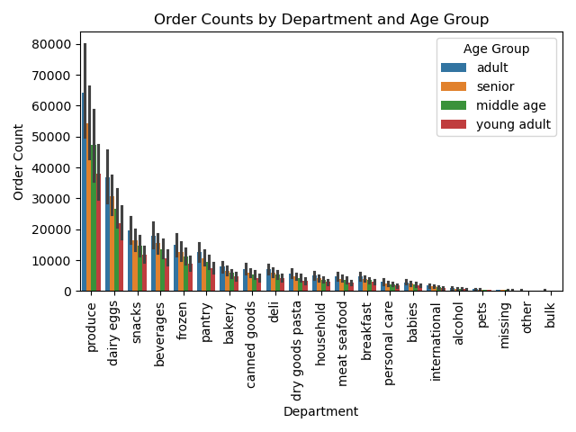
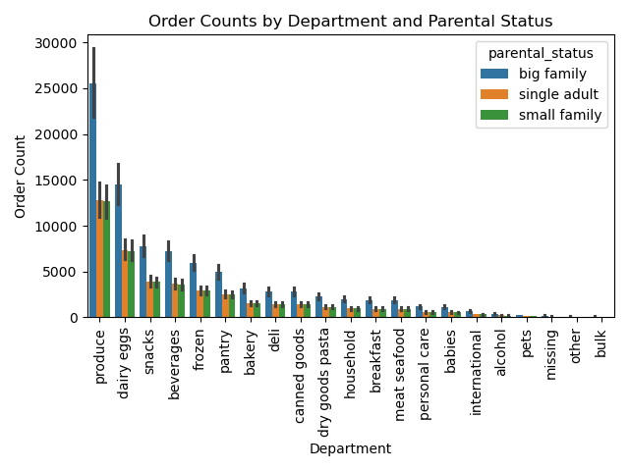
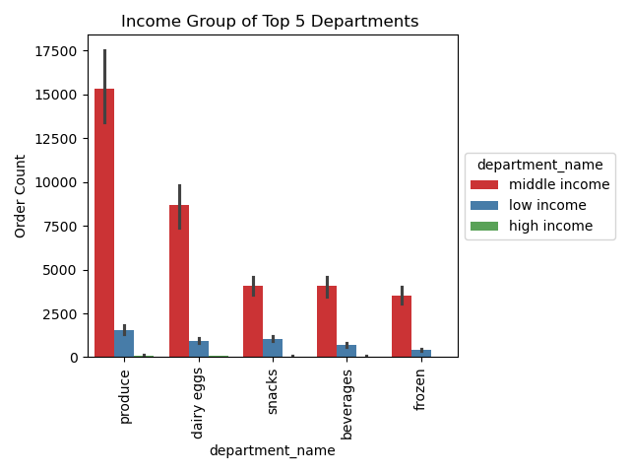
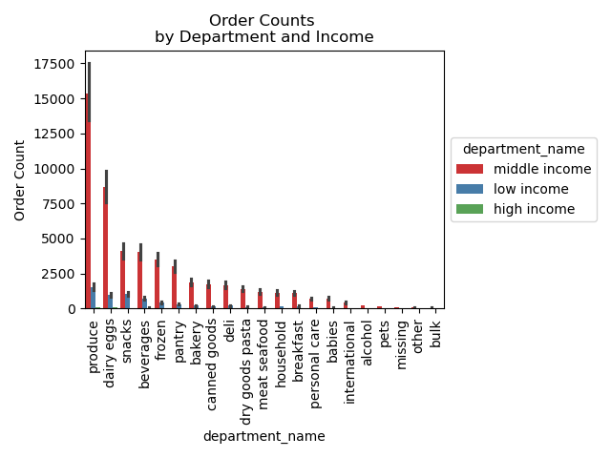
 |  | Title page

Visualisations

In this tab you should include all the visualtions from Exercises 4.9 and 4.10, alongside the questions from the project brief that they answer. Include any commentary on the relationship between different variables.

1 | Question: The sales team needs to know what the busiest days of the week and hours of the day are (i.e., the days and times with the most orders) in order to schedule ads at times when there are fewer orders.

 | Comment: the distrubition of the bar chart shows the most during the weekend - sutterday (0) and Sunday(1).
 | The histogram shows the highest frequency of orders during the day between 10 am and 4 pm and a very low frequency duriung the night between midnight and 6 am. Astonishing is the high frequency during the day i.e. during regular working time. I would have asumed that the peaks are rather before and after working hours in the morning and the evening.


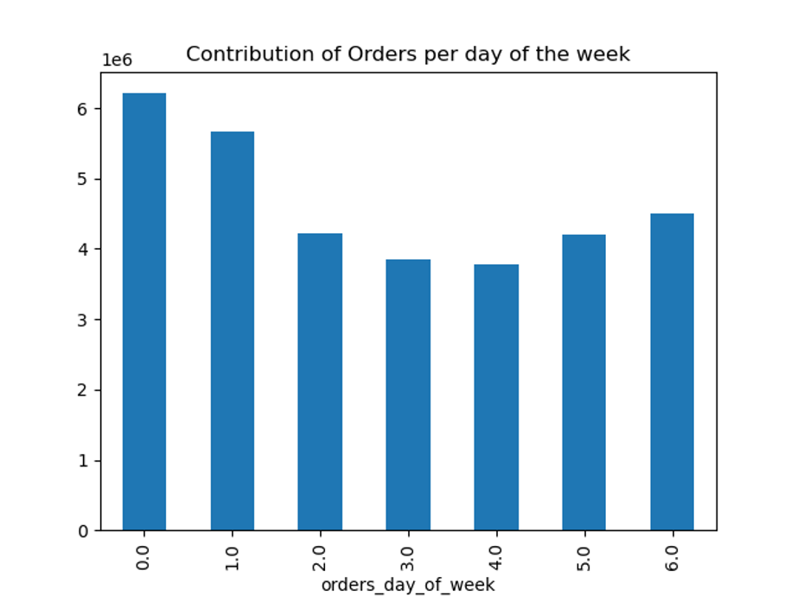

2

 | Question: They also want to know whether there are particular times of the day when people spend the most money, as this might inform the type of products they advertise at these times.

 | Comments: The distribution of prices over the week shows peeks of prices on sutterday and Sunday. But the smal pricerange shown in the y-axis makes clear, that these are only very small differences of a few cents. The linechart Pricerange over the day shows peaks in the early morning relativley stabe line over the day.

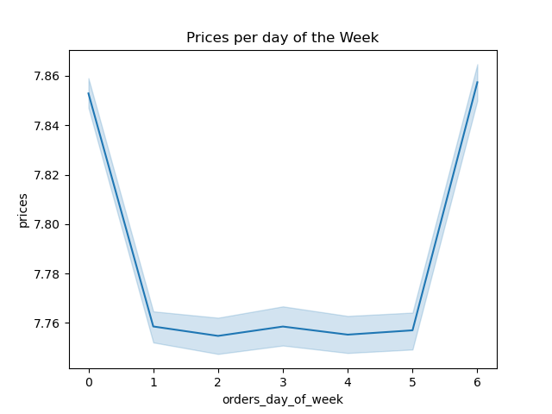
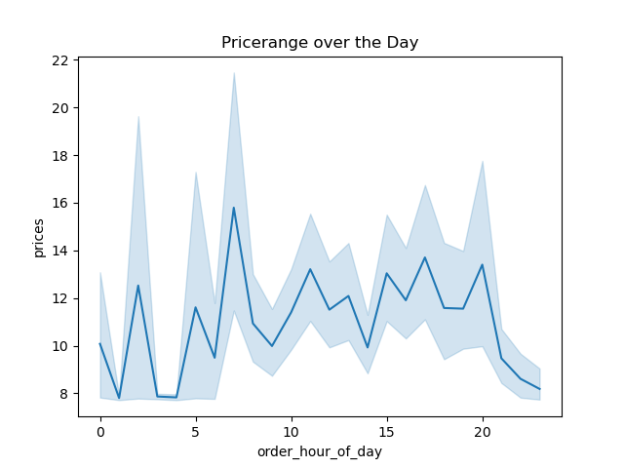

 | Answer:

3 | Question: Instacart has a lot of products with different price tags. Marketing and sales want to use simpler price range groupings to help direct their efforts.

 | Comment: the most prices are in the middle range segment (5-15) and the low segment (<=5). There are only little high range products (>15). The PieChart on the left show the proportions.

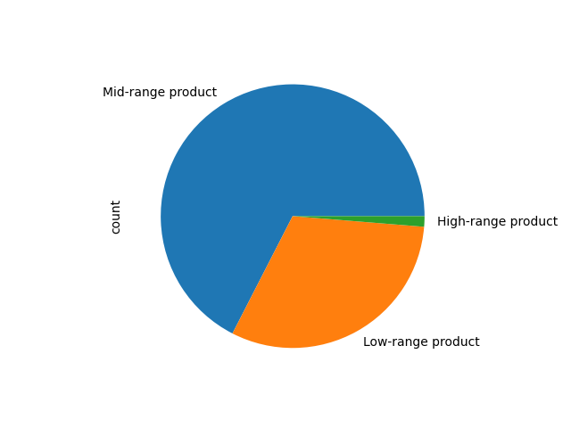
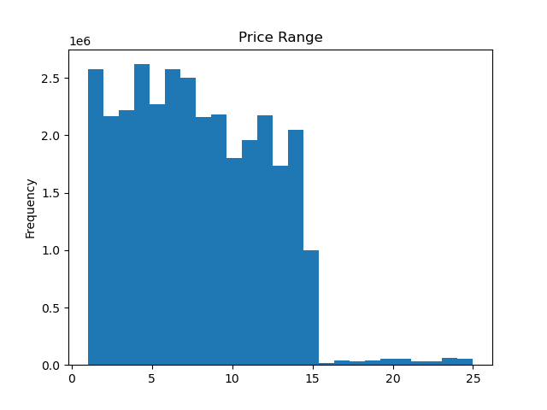

4 | Question: Are there certain types of products that are more popular than others? The marketing and sales teams want to know which departments have the highest frequency of product orders.

 | Comment: the graph shows the distribution of departments: the top five departmenst are produce, diary eggs, snacks, beverages and frozen.

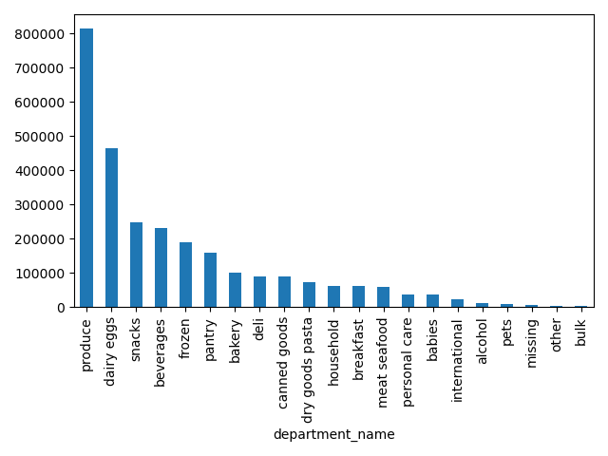

5 | The marketing and sales teams are particularly interested in the different types of customers in their system and how their ordering behaviors differ.

5.1. | What’s the distribution among users in regards to their brand loyalty (i.e., how often do they return to Instacart)?

 | Comment: the majority are 'regular customers' (about 1/2) followed by 'loyal customers' (about 1/3) and 'new customers' (about 1/6) The condition for the categories is listed in the legend.

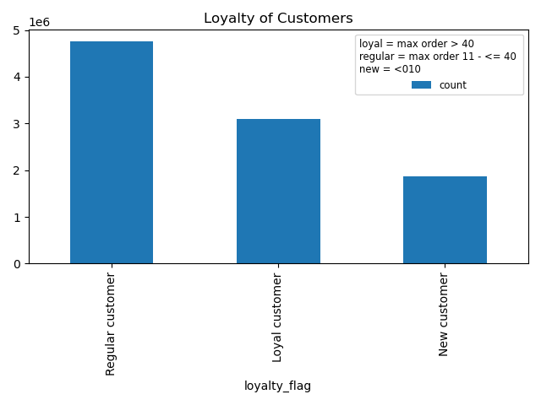

5.2. | Question: Are there differences in ordering habits based on a customer’s loyalty status?

 | Comment: the vast majority of customers are 'low spenders' regardless of their loyalty status.

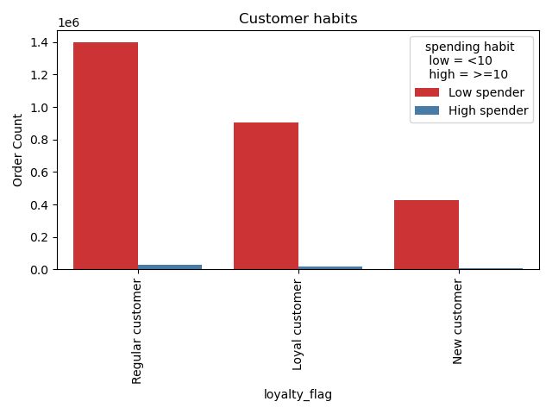

5.3. | Question: Are there differences in ordering habits based on a customer’s region?

 | Comment: the different graphs show, that there is no significant difference in customer habits according to regions. The spending habit are the same (upper left) as well as the preference for certain departments (upper right) The differences in the size of the bars are due to differences in customer count (bottom left) but the scatterplot (bottom right) shows a quite regular distribution also in terms of income and parental status.

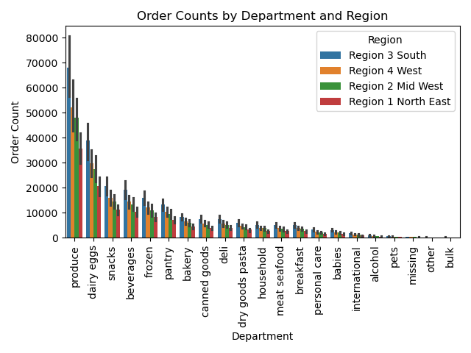
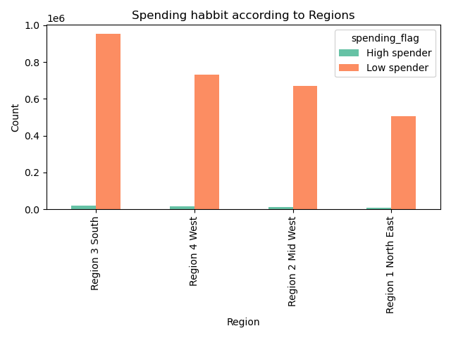

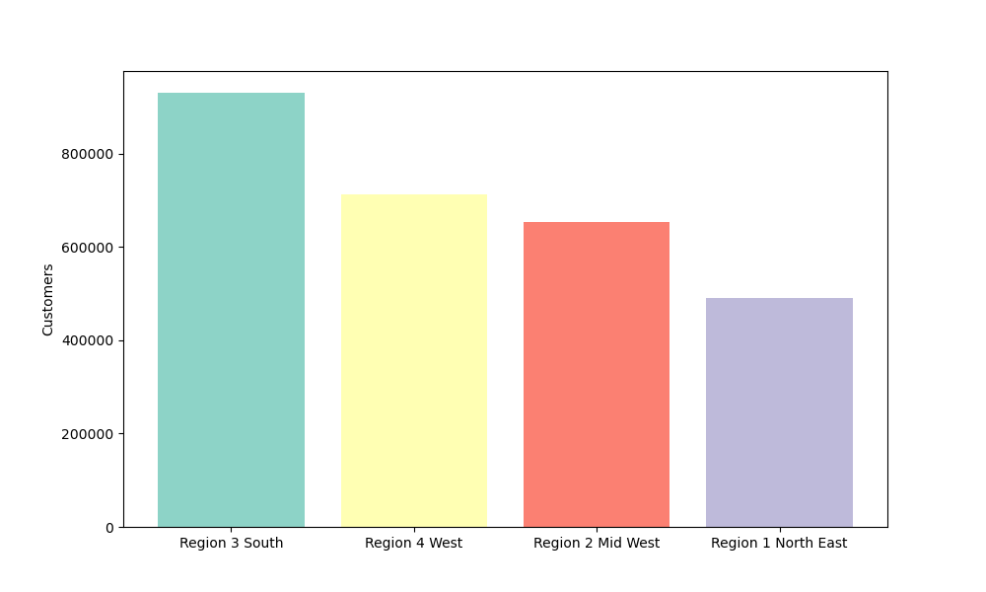
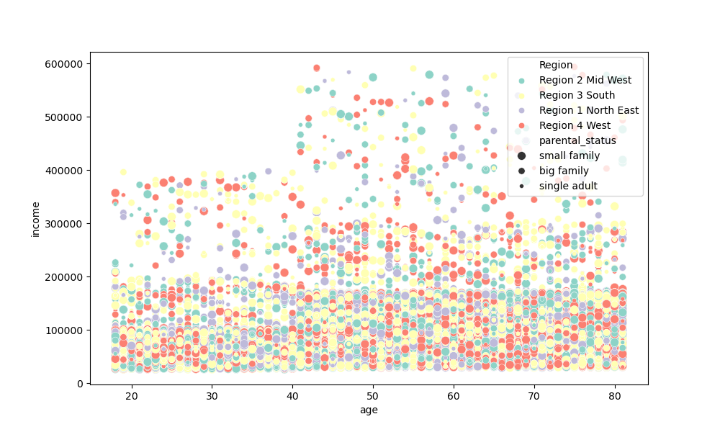

5.4. | Question: Is there a connection between age and family status in terms of ordering habits?

 | Comment: the upper graphs show, that there is no significant correlation between age group and dependants - which is the base variable of the parental status. This is astonishing because it is a bit unlikely, that seniot customers have to shop in the same way for theire family mambers like young or middle aged families. Eventually there is a an ambiguity in data collection and people were asked for kids and not for kids living in there household. The two barplots in the bottom show a very regular contribution of order frequency either concerning parental status or agegroup. So these categories does not seem to have a big impact an customers order behaviour

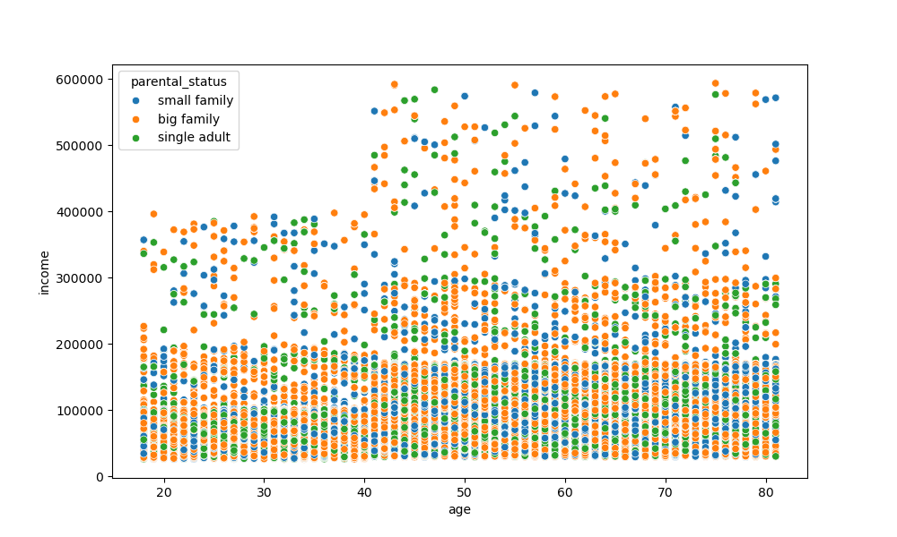
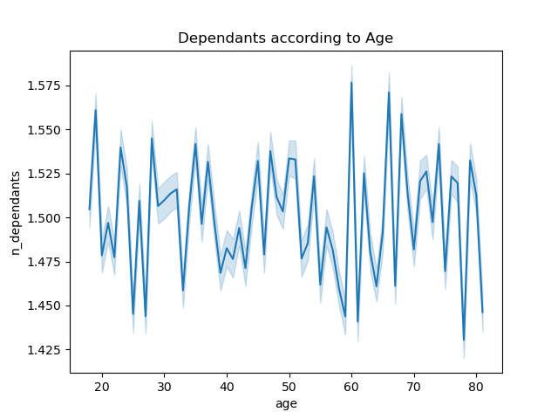

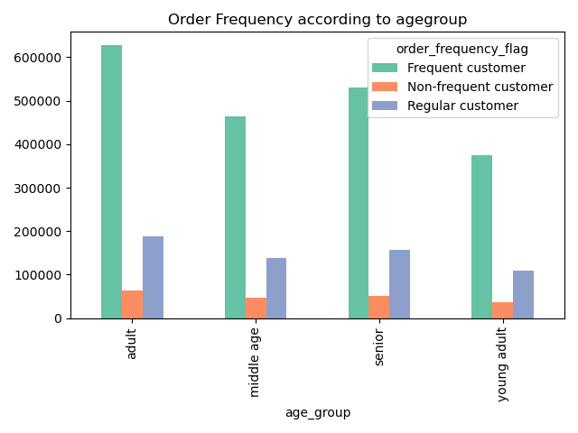
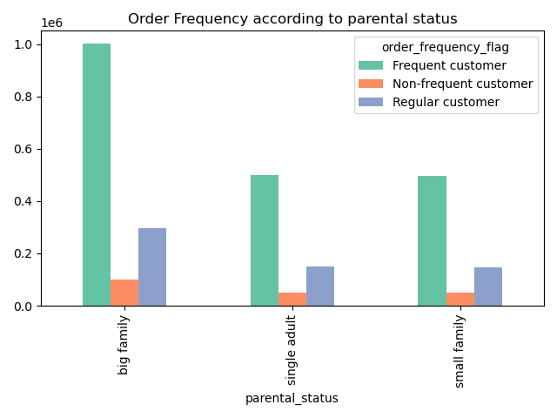

5.5 | What different classifications does the demographic information suggest? Age? Income? Certain types of goods? Family status?

 | Comment: the given data suggests the classification into groups according to age, income and parental status. The pie plots give insight in the distribution of the single groups.

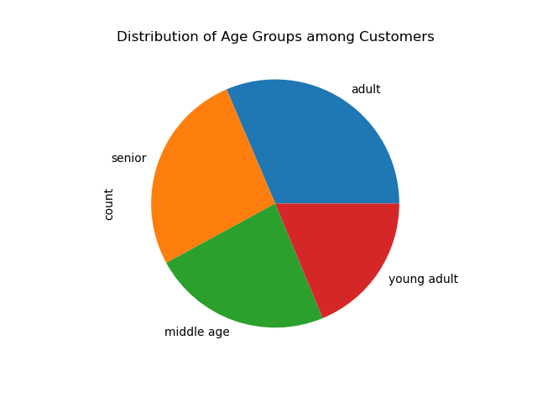
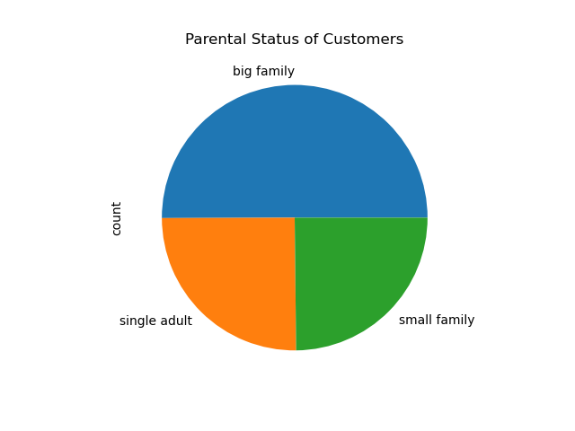
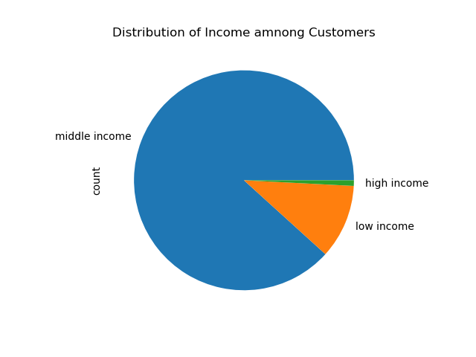

5.6. | What differences can you find in ordering habits of different customer profiles? Consider the price of orders,the frequency of orders, the products customers are ordering, and anything else you can think of.

 | Comment: For better comparability, age, prenatal status, and income were each correlated with the order counts of the different departments. The impression of a regular distribution without major fluctuations continues here as well. There are significant differnces only in the Income_Group The proportions of 'produce' and 'dairy eggs' are significantly higher in the middle-income group than in the lower-income group. (high income, is so little that it plays hardly any role). See Top 5 departments for more clarity.

7. Recommendations
 |  |  | Title page

Recommendations

In this tab you should include any recommendations you would made to Instcart in terms of their marketing strategy based on the questions posed in the brief. Every key question has been covered in the Tasks of the Exercises - here you need to add an item - a visualisation or table/crosstable that is showing the answer in the data, acompanied by a comment from you. Please, list the questions below and add the answer underneath.

Question | Comment | Recommendation
Key Question 1 The sales team needs to know what the busiest days of the week and hours of the day are (i.e., the days and times with the most orders) in order to schedule ads at times when there are fewer orders. | Tthe distrubition of the bar chart shows the most during the weekend - sutterday (0) and Sunday(1). The histogram shows the highest frequency of orders during the day between 10 am and 4 pm and a very low frequency duriung the night between midnight and 6 am. Astonishing is the high frequency during the day i.e. during regular working time. I would have asumed that the peaks are rather before and after working hours in the morning and the evening." | Run more adds in the morning and the late afternoon/evening and adress people in this specific time: for instance: do the shopping while you have your breakfast coffe

Key Question 2 They also want to know whether there are particular times of the day when people spend the most money, as this might inform the type of products they advertise at these times. | The distribution of prices over the week shows peeks of prices on sutterday and Sunday. But the smal pricerange shown in the y-axis makes clear, that these are only very small differences of a few cents. The linechart Pricerange over the day shows peaks in the early morning relativley stabe line over the day. | also here: focus on morning shoppers. Eventually with special promotions and breakfast dicounts.

Key Question 3 Instacart has a lot of products with different price tags. Marketing and sales want to use simpler price range groupings to help direct their efforts. | the most prices are in the middle range segment (5-15) and the low segment (<=5). There are only little high range products (>15). | The results here are very clear: a clear focus on the low and middle price range. The recommendation is therefore to stick with the existing profile and expand this segment.

Key Question 4 Are there certain types of products that are more popular than others? The marketing and sales teams want to know which departments have the highest frequency of product orders. | The top five departmenst are 'produce', 'dairy eggs',' snacks', 'beverages' and' frozen'. | The two clear top sellers are produce and dairy/eggs —in other words, fresh and healthy products. Instacard should continue to expand this segment and distinguish itself in it. It should expand its range to include organic and regional products. This should be accompanied by an advertising campaign.

Key Question 5 What’s the distribution among users in regards to their brand loyalty (i.e., how often do they return to Instacart)? | the majority are 'regular customers' (about 1/2) followed by 'loyal customers' (about 1/3) and 'new customers' (about 1/6) | Instacard should focus on loyalty campaigns to retain more customers in the longterm. This could be combined with the above mentioned campain for ecologigal food

Key Question 6 Are there differences in ordering habits based on a customer’s loyalty status? | the vast majority of customers are 'low spenders' regardless of their loyalty status. | Instacard is for everyday use. It should stay with this profile and focus on good quality at a low prices.

Key Question 7 Are there differences in ordering habits based on a customer’s region? | the different graphs show, that there is no significant difference in customer habits according to regions. The spending habit are the same as well as the preference for certain departments The differences in the size of the bars are due to differences in customer count but the scatterplot (bottom right) shows a quite regular distribution also in terms of income and parental status. The differences in customer count are relevant though. (for an explanation more analysis is needed - what are the conditions for the regions, are they similar in population numbers and so on) | allthough there are no significant differences in ordering habits t he campain for regional food would also make sense in this context: fokus on lokal products.

Key Question 8 Is there a connection between age and family status in terms of ordering habits? | The barplots in the bottom show a very regular contribution of order frequency either concerning parental status or agegroup. So these categories does not seem to have a big impact an customers order behaviour | allthough the analisys does not show clear tendencys in terms of age and family this is a potential instacard should absolutly use. 2/3 of the clients live in families. Instacard should run a campain for families. This could be combined with the proposed focus on healthy and ecological food - topics that are specially relevant for parents with small kids and part of health education for future clients.

